Sheet1
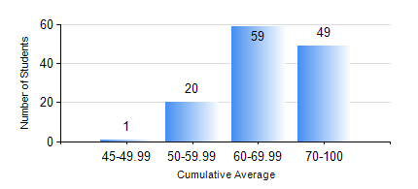
 |  |  | KWAME NKRUMAH UNIVERSITY OF SCIENCE AND TECHNOLOGY, KUMASI Department of Electrical/Electronic Engineering

 |  |  | BSC. ELECTRICAL/ELECTRONIC ENG.

 |  |  | COMPREHENSIVE RECORD OF EXAMINATION RESULTS

 |  |  | RESULTS OF YEAR 4 FIRST SEMESTER, 2020/2021 ACADEMIC YEAR

 | Sn | Course Code |  | Course Name | Credit Hours | Min. Mark | Max. Mark | Avg. Mark | Std. Dev. | No. Passed | No. Trailed | No. (Df) | No. (I) | No. (I*) | No. Tagged(I,I*,Df) | Total
 | 0. |  |  |  |  |  |  | 0 | 0 | 0 | 0 | 0 | 0 | 0 | 0 | 2
 | 1. | COE 475 |  | COMPUTER NETWORKING | 4 | 32 | 96 | 72 | 13.18 | 125 | 2 | 0 | 0 | 0 | 0 | 127
 | 2. | EE 463 |  | SPECIAL ELECTRICAL MACHINES | 3 | 52 | 98 | 79 | 9.57 | 117 | 0 | 0 | 0 | 0 | 0 | 117
 | 3. | EE 467 |  | POWER SYSTEMS OPERATION AND CONTROL | 3 | 29 | 93 | 70 | 13.07 | 126 | 1 | 0 | 0 | 0 | 0 | 127
 | 4. | EE 489 |  | INDUSTRIAL TRAINING | 1 | 70 | 90 | 78 | 3.06 | 127 | 0 | 0 | 0 | 0 | 0 | 127
 | 5. | EE 497 |  | PROJECT I | 3 | 62 | 85 | 78 | 5.56 | 127 | 0 | 0 | 0 | 0 | 0 | 127
 | 6. | ME 491 |  | ENGINEERING ECONOMICS AND MANAGEMENT | 3 | 23 | 89 | 66 | 11.29 | 126 | 1 | 0 | 0 | 0 | 0 | 127
 | 7. | TE 481 |  | WIRELESS DATA COMMUNICATION NETWORK | 3 | 28 | 84 | 62 | 19.98 | 9 | 1 | 0 | 0 | 0 | 0 | 10

